Dollar Amount Instructions
How To Complete The Estimated Breakdown of Work form

1. MoDOT Project # - Enter the MoDOT Project # assigned to the project.
(Examples: 23-111A-1)

2. LPA Name – Enter the name of the LPA Project
(Example: Sampson Memorial Airport Runway Project)

3. County – Enter the name of the county the project is located

4. Brief Project Description – Provide a brief description of the project
(Example: Adding a new runway)

5. PE Contract, CE Contract, Supplemental – Check all boxes that apply to the project contract amount. More than one box may be marked.

6. Estimated Engineering Contract Amount – Enter the total amount of the contract for project
* Box is formatted to include a dollar sign ($) and 2 digits after the decimal point that will require entering if needed.
(Example: If the total amount is $500.00, the 2 zeros behind the decimal does NOT need to be entered. If the total amount is $500.25, enter the decimal and the 2 and 5 after the decimal)
b. After entering the total contract amount, the cell will turn red once the tab or enter keys are pressed.

7. $ Amount – Enter the dollar amount for each Work Type listed.
a. If the total amount of all the work types does not equal the amount entered for the "Estimated Engineering Contract Amount", the "Estimated Engineering Contract Amount", the Total amount of all the Work Types, and the Total percentage will all turn red.

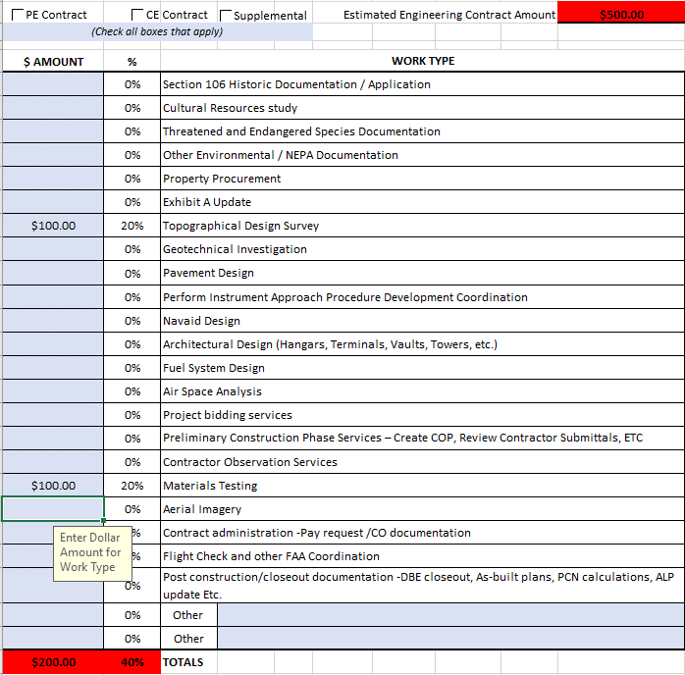

b. If the "Estimated Engineering Contract Amount", Total of all Work Types, and Total percentage are all red
* The amounts for each Work Type will need to be adjusted until the "Estimated Engineering Contract Amount", Total of all the Work Types, and Total percentage all turn green

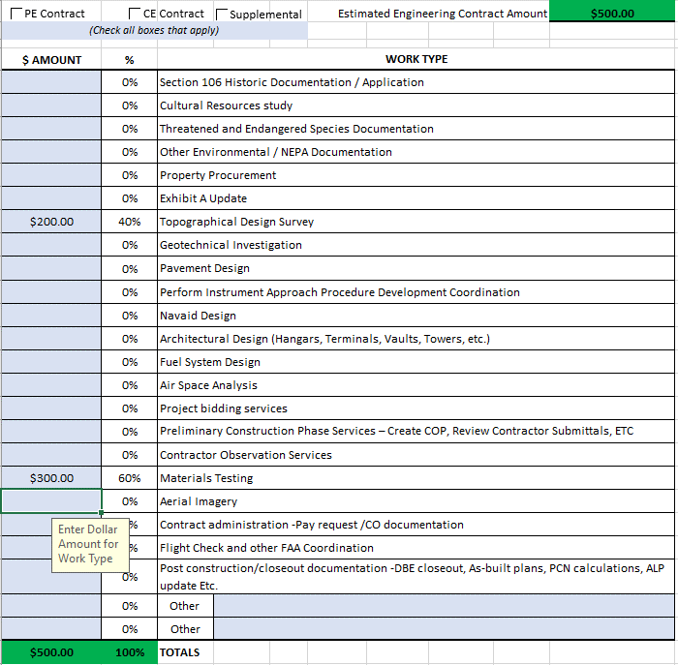

8. Other - If the Work Type needed is not listed, the desired Work Type may be typed in to the box next to either "Other" Work Type.
* For each "Other" work type that is listed, a dollar amount must be entered in the "$ Amount" column to the left

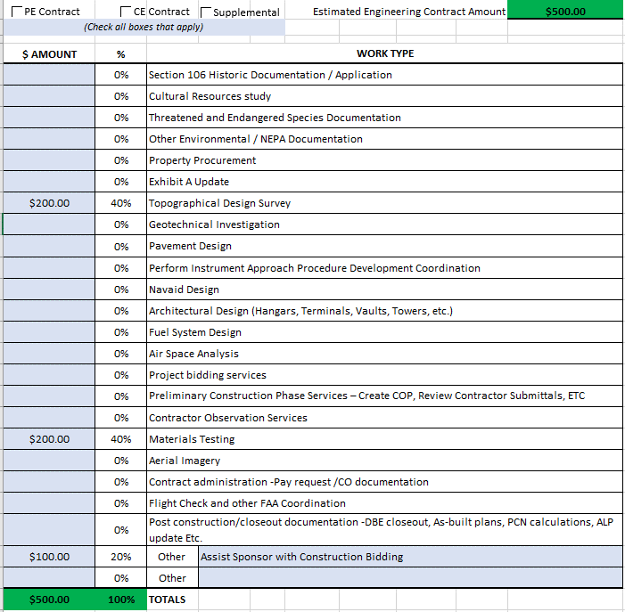

*** DO NOT submit the Estimated Breakdown of Work form if the "Estimated Engineering Contract Amount", Total of all Work Types, and/or Total percentage are RED ***

Percentage Instructions
How To Complete The Estimated Breakdown of Work form

1. MoDOT Project # - Enter the MoDOT Project # assigned to the project.
(Examples: 23-111A-1)

2. LPA Name – Enter the name of the LPA Project
(Example: Sampson Memorial Airport Runway Project)

3. County – Enter the name of the county the project is located

4. Brief Project Description – Provide a brief description of the project
(Example: Adding a new runway)

5. PE Contract, CE Contract, Supplemental – Check all boxes that apply to the project contract amount. More than one box may be marked.

6. Estimated Engineering Contract Amount – Enter the total amount of the contract for project
* Box is formatted to include a dollar sign ($) and 2 digits after the decimal point that will require entering if needed.
(Example: If the total amount is $500.00, the 2 zeros behind the decimal does NOT need to be entered. If the total amount is $500.25, enter the decimal and the 2 and 5 after the decimal)
b. After entering the total contract amount, the cell will turn red once the tab or enter keys are pressed.

7. % – Enter the percentage for each Work Type listed.
a. If the total percentage of all the work types does not equal 100%, the "Estimated Engineering Contract Amount", the Total amount of all the Work Types, and the Total percentage will all turn red.
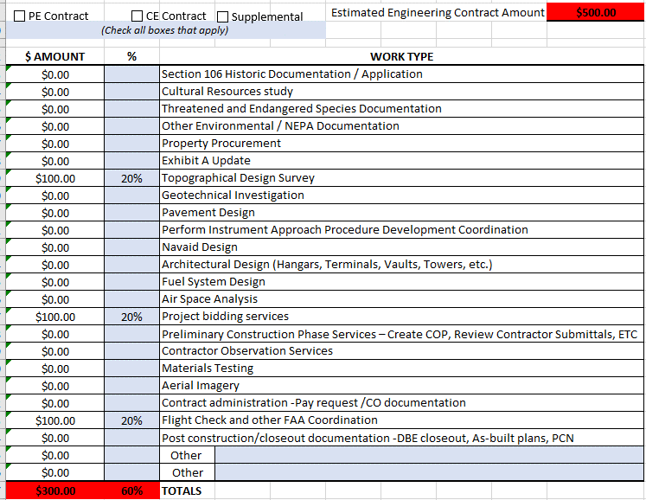

b. If the "Estimated Engineering Contract Amount", Total of all Work Types, and Total percentage are all red…
* The percentage for each Work Type will need to be adjusted until the "Estimated Engineering Contract Amount", Total of all the Work Types, and Total percentage all turn green

8. Other - If the Work Type needed is not listed, the desired Work Type may be typed in to the box next to either "Other" Work Type.
* For each "Other" work type that is listed, a percentage must be entered in the "%" column to the left

*** DO NOT submit the Estimated Breakdown of Work form if the "Estimated Engineering Contract Amount", Total of all Work Types, and/or Total percentage are RED ***

